Data Test
Sales Document | Customer Name | Item Description | Quantity | Challenge:
50552 | Dellicia | Men type T simple (White) | 255 | Create a macro that inserts a pie chart for Customer name by Quantity.
51069 | Dellicia | Men dress shirt (Black) | 428 | Make sure the data is aggregated.
50310 | Dellicia | Men dress shirt (Black) | 168
50233 | Dellicia | Women crop top (Black) | 177 | Create the macro based on this test data and then apply it to Data 1, Data 2 and Data 3 tabs
50459 | Erma | Women dress long (Black) | 317
50133 | Erma | Men dress shirt (Black) | 188 | Important Update:
50158 | Erma | Women crop top (Black) | 384 | It looks like something's changed with the macro recorder since I recorded the video.
50450 | Dellicia | Laptop bag (Black) | 275 | If you follow what I did in the video, you might get an empty chart.
50515 | Dellicia | Unisex tank top (Black) | 383 | What you need to do instead is to select column B, hold down control and select column D (Don't select Column C)
50510 | Dellicia | Women crop top (Black) | 334 | You will see the chart range will be from B1:B17,D1:D17 in the chart settings.
50984 | Dellicia | Smartphone case simple | 357 | While the macro is recording, change the range to B1:B999,D1:D999. Press Enter and adjust the size of the chart.
50599 | Erma | Men type T simple (White) | 238
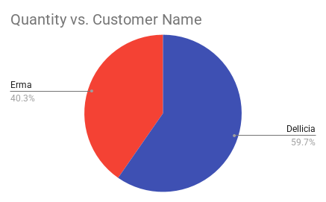
50653 | Erma | Men dress shirt (White) | 382
50049 | Erma | Smartphone case simple | 439
50144 | Dellicia | Smartphone case diamond | 251
50043 | Dellicia | Women crop top (Black) | 254

Data 1
Sales Document | Customer Name | Item Description | Quantity
50552 | Dellicia | Men type T simple (White) | 255
51069 | Dellicia | Men dress shirt (Black) | 428
50310 | Dellicia | Men dress shirt (Black) | 168
50233 | Dellicia | Women crop top (Black) | 177
50459 | Erma | Women dress long (Black) | 317
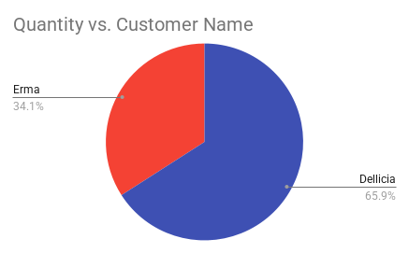
50133 | Erma | Men dress shirt (Black) | 188
50158 | Erma | Women crop top (Black) | 384
50450 | Dellicia | Laptop bag (Black) | 275
50515 | Dellicia | Unisex tank top (Black) | 383
50510 | Dellicia | Women crop top (Black) | 334
50984 | Dellicia | Smartphone case simple | 357
50599 | Erma | Men type T simple (White) | 238
50653 | Erma | Men dress shirt (White) | 382
50049 | Erma | Smartphone case simple | 439
50144 | Dellicia | Smartphone case diamond | 251
50043 | Dellicia | Women crop top (Black) | 254
50206 | Erma | Unisex tank top (White) | 390
50554 | Erma | Men type T simple (White) | 162
50524 | Dellicia | Unisex tank top (White) | 392
50442 | Dellicia | Men type T simple (Brown) | 150
51015 | Dellicia | Smartphone case simple | 197
51099 | Erma | Men shorts (Black) | 440
50621 | Erma | Unisex tank top (White) | 196
50083 | Dellicia | Men type T simple (Brown) | 210
50394 | Dellicia | Women dress Cocktail (Red) | 293
50005 | Erma | Women dress long (Black) | 187
50130 | Erma | Smartphone case simple | 364
50331 | Erma | Smartphone case diamond | 175
50646 | Dellicia | Men dress shirt (Black) | 313
50489 | Dellicia | Women dress long (Black) | 378
50055 | Dellicia | Laptop bag (Red) | 377
50698 | Dellicia | Men dress shirt (Gray) | 403
50558 | Dellicia | Men shorts (Gray) | 212
50096 | Dellicia | Laptop bag (Red) | 383
50822 | Dellicia | Men dress shirt (White) | 410
51085 | Dellicia | Unisex tank top (White) | 201
50330 | Dellicia | Laptop bag (Black) | 326
50928 | Dellicia | Women type T simple (Black) | 340

Data 2
Sales Document | Customer Name | Item Description | Quantity
69513 | Dellicia | Men shorts (Black) | 296
69106 | Dellicia | Women crop top (Black) | 224
69187 | Dellicia | Men shorts (Gray) | 442
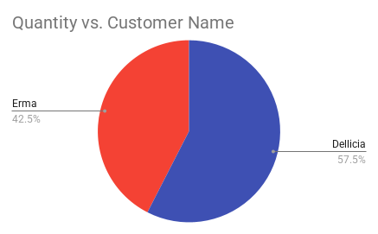
69805 | Dellicia | Women crop top (Black) | 151
69714 | Erma | Men dress shirt (White) | 387
69988 | Erma | Men shorts (Black) | 420
69281 | Erma | Unisex tank top (Black) | 152
69997 | Dellicia | Men shorts (Black) | 201
69045 | Dellicia | Men dress shirt (White) | 256
69217 | Dellicia | Men shorts (Black) | 414
69513 | Dellicia | Men dress shirt (Black) | 296
69234 | Erma | Men dress shirt (Gray) | 194
69645 | Erma | Smartphone case simple | 196
69191 | Erma | Unisex tank top (Black) | 246
69930 | Dellicia | Unisex tank top (White) | 317
69222 | Dellicia | Smartphone case simple | 328
69973 | Erma | Men dress shirt (White) | 248
69978 | Erma | Men dress shirt (Black) | 305
69706 | Dellicia | Laptop bag (Black) | 397
69770 | Dellicia | Men shorts (Gray) | 403
69409 | Dellicia | Unisex tank top (White) | 197
69586 | Erma | Men shorts (Gray) | 303
69054 | Erma | Men shorts (Gray) | 270
69183 | Dellicia | Women dress Cocktail (Red) | 427
69096 | Dellicia | Men dress shirt (Black) | 307
69513 | Erma | Women type T simple (Black) | 296
69840 | Erma | Men dress shirt (White) | 434
69118 | Erma | Men shorts (Black) | 188
69347 | Dellicia | Women type T simple (Black) | 358
69000 | Dellicia | Men shorts (Black) | 175
69573 | Erma | Men dress shirt (Gray) | 158
69084 | Erma | Men shorts (Black) | 396
69073 | Erma | Men dress shirt (Gray) | 274
69614 | Dellicia | Unisex tank top (White) | 354
69282 | Dellicia | Smartphone case diamond | 212
69684 | Erma | Men dress shirt (White) | 175
69331 | Erma | Men shorts (Black) | 329
69866 | Dellicia | Women type T simple (Black) | 173
69481 | Dellicia | Unisex tank top (White) | 339
69609 | Dellicia | Men dress shirt (Gray) | 278
69678 | Erma | Women type T simple (Red) | 164
69657 | Erma | Unisex tank top (Black) | 264
69019 | Dellicia | Women dress long (Black) | 443
69730 | Dellicia | Women dress Cocktail (Red) | 224
69449 | Dellicia | Women dress Cocktail (Red) | 338
69836 | Erma | Laptop bag (Red) | 175

Data 3
Sales Document | Customer Name | Item Description | Quantity
68648 | Dellicia | Women type T simple (White) | 425
68916 | Dellicia | Men dress shirt (Gray) | 207
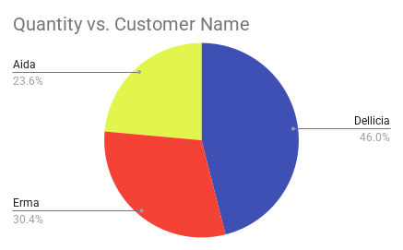
68216 | Dellicia | Men shorts (Gray) | 250
68365 | Dellicia | Men dress shirt (Gray) | 221
68440 | Erma | Men type T simple (Brown) | 382
68033 | Erma | Men dress shirt (Black) | 204
68626 | Erma | Men dress shirt (Gray) | 157
68870 | Dellicia | Smartphone case simple | 398
68135 | Dellicia | Women type T simple (Red) | 290
68488 | Dellicia | Women type T simple (White) | 358
68089 | Dellicia | Women type T simple (Red) | 419
68893 | Erma | Women dress Cocktail (Red) | 338
68303 | Erma | Unisex tank top (Black) | 212
68568 | Erma | Women crop top (Black) | 208
68911 | Dellicia | Laptop bag (Red) | 445
68808 | Dellicia | Men type T simple (Black) | 309
68455 | Dellicia | Men shorts (Black) | 383
68580 | Dellicia | Laptop bag (Black) | 424
68593 | Erma | Men dress shirt (Black) | 292
68766 | Erma | Laptop bag (Black) | 379
68886 | Dellicia | Women crop top (Black) | 223
68307 | Dellicia | Men type T simple (White) | 354
68295 | Dellicia | Unisex tank top (White) | 432
68042 | Erma | Women type T simple (White) | 185
68043 | Erma | Unisex tank top (Black) | 334
68076 | Erma | Men dress shirt (Black) | 257
68952 | Erma | Men type T simple (Black) | 277
68481 | Erma | Men shorts (Black) | 199
68718 | Dellicia | Smartphone case simple | 358
68750 | Dellicia | Men shorts (Black) | 270
68390 | Erma | Men type T simple (Black) | 350
68450 | Erma | Women type T simple (White) | 350
68459 | Erma | Men shorts (Gray) | 203
68929 | Dellicia | Smartphone case simple | 281
68026 | Dellicia | Women type T simple (Black) | 446
68771 | Erma | Women type T simple (White) | 389
68078 | Erma | Men shorts (Black) | 240
68121 | Dellicia | Smartphone case simple | 425
68689 | Dellicia | Men type T simple (Black) | 387
68623 | Dellicia | Women dress long (Black) | 380
68037 | Erma | Men type T simple (Brown) | 301
68078 | Erma | Women crop top (Black) | 240
68609 | Dellicia | Laptop bag (Red) | 345
68915 | Dellicia | Men type T simple (Brown) | 180
68776 | Dellicia | Women type T simple (White) | 381
68915 | Erma | Women type T simple (Red) | 180
69054 | Aida | Women crop top (Black) | 860
69193 | Aida | Laptop bag (Red) | 600
69332 | Aida | Men type T simple (Brown) | 980
69471 | Aida | Women type T simple (White) | 758
69610 | Aida | Women type T simple (Red) | 1200

Reset Validation
function onEdit(e) {
var row = e.range.getRow();
var col = e.range.getColumn();
if (col === 1 && row === 3 && e.source.getActiveSheet().getName() === "Reset Validation" ) {
e.source.getActiveSheet().getRange(row,col+1).setValue('');
}
}
Reset Dependent Drop-down List
 | Data Prep | Department | Position
Department | Finance | Finance | Accountant
 | Marketing | Marketing | Analyst
 | Procurement | Procurement | Buyer
 | Sales | Sales | Category Manager
 |  |  | Controller
 |  |  | Digital Marketing
 |  |  | Finance Manager
 |  |  | Insurance Advisor
 |  |  | Marketing Manager
 |  |  | Procurement Manager
 |  |  | Project Manager
 |  |  | Projects Lead
 |  |  | Sales Manager
 |  |  | Sales Projects
 |  |  | Sales Representative

